VICKEL LAUNDRY
DATE | INV NO. | BILLS | TOTAL | STATUS
2025-11-01 | 0395 | 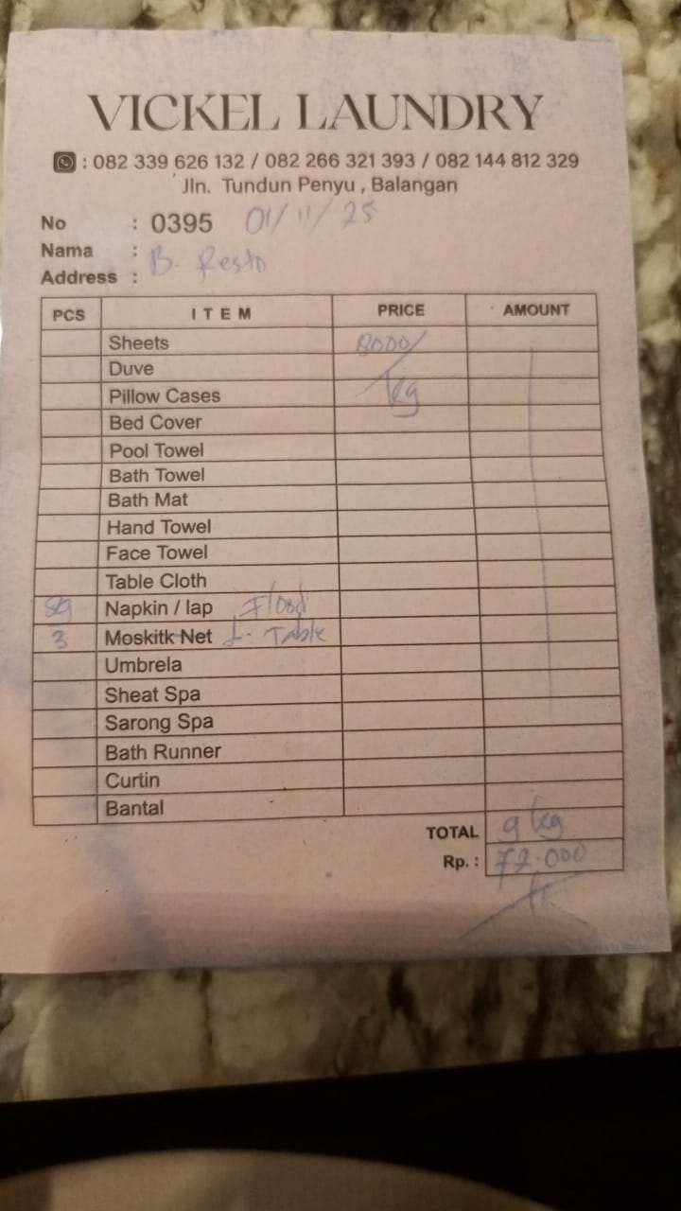 | IDR 72,000
2025-11-03 | 0397 | 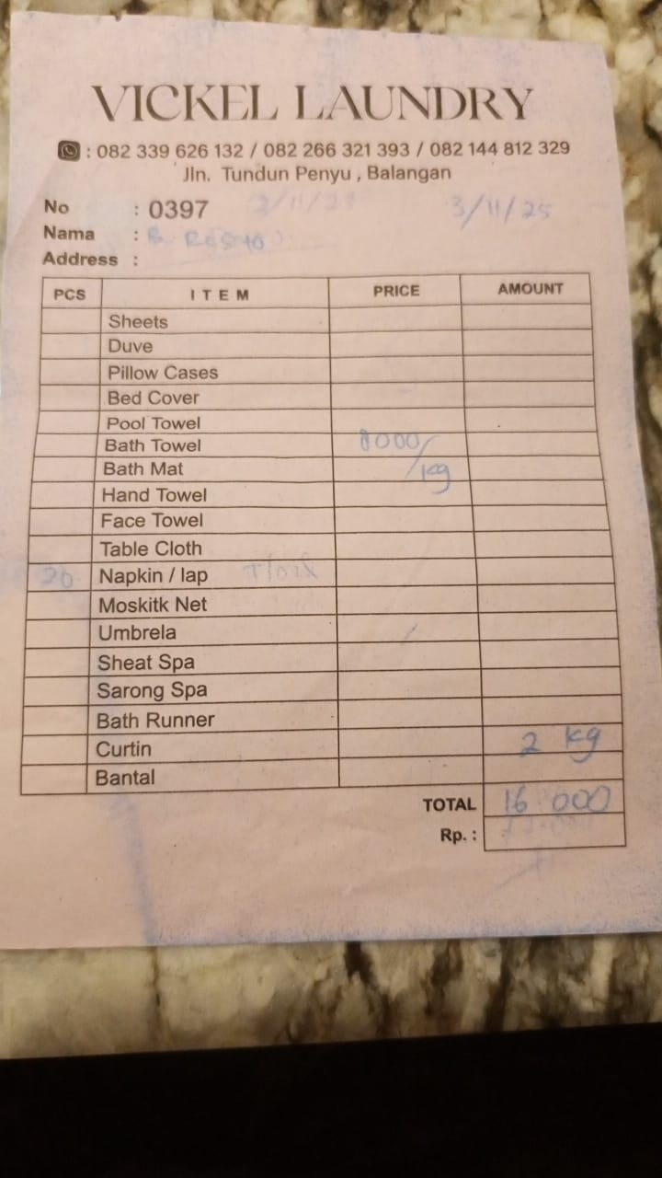 | IDR 16,000
2025-11-04 | 0398 | 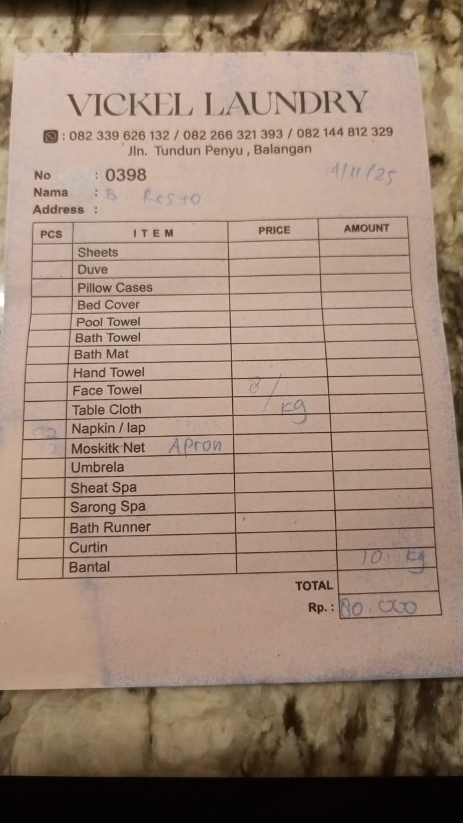 | IDR 80,000
2025-11-05 | 0399 | 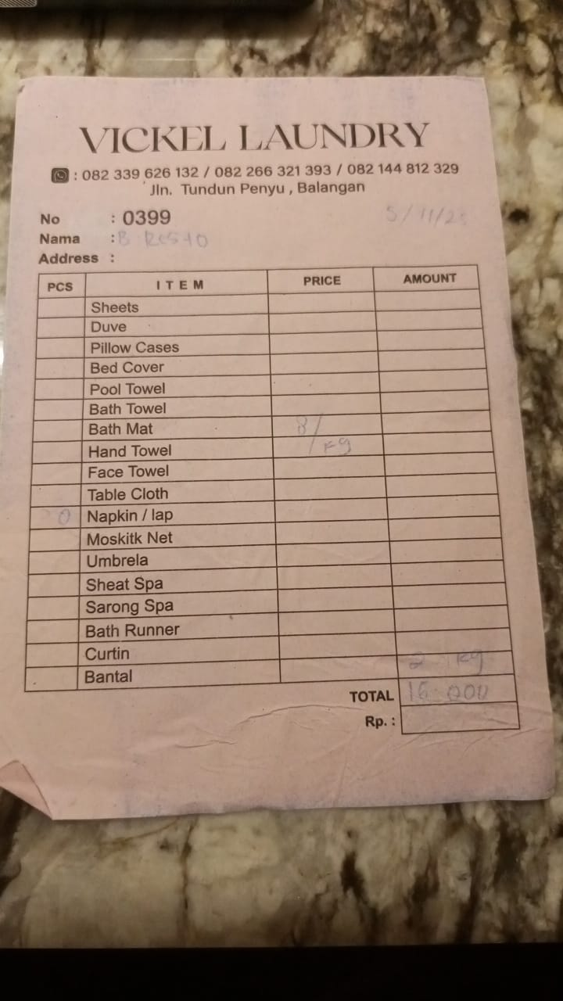 | IDR 16,000
2025-11-06 | 0400 | 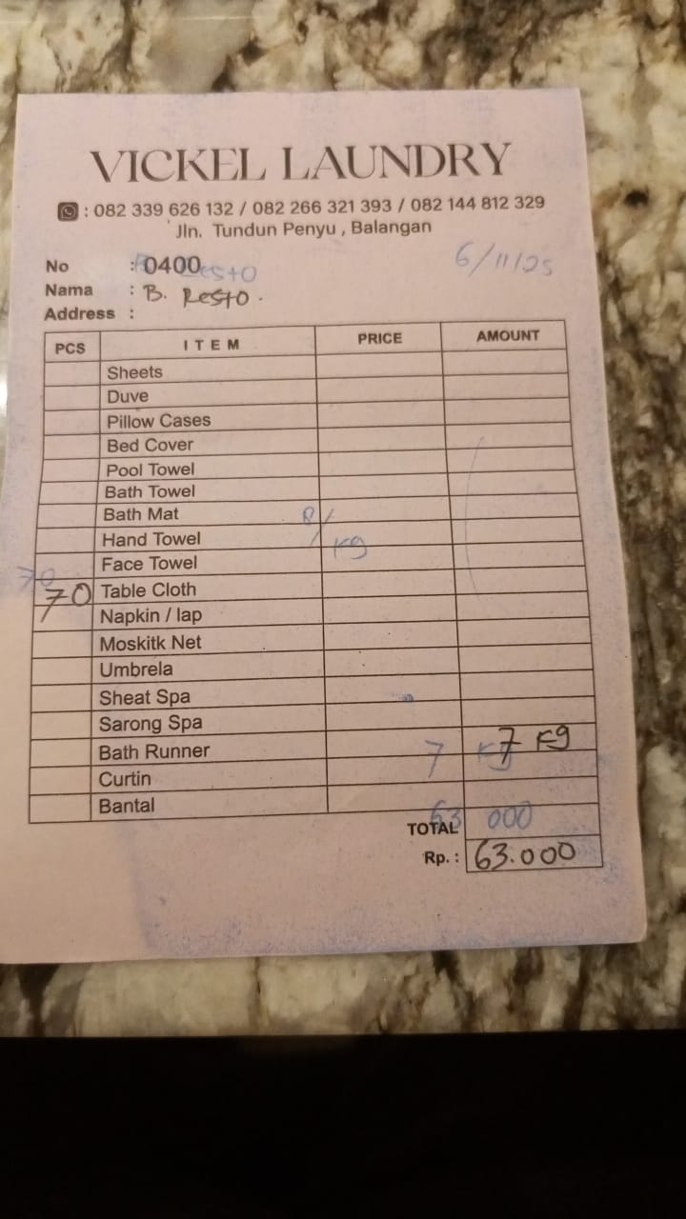 | IDR 63,000
2025-11-07 | 0396 | 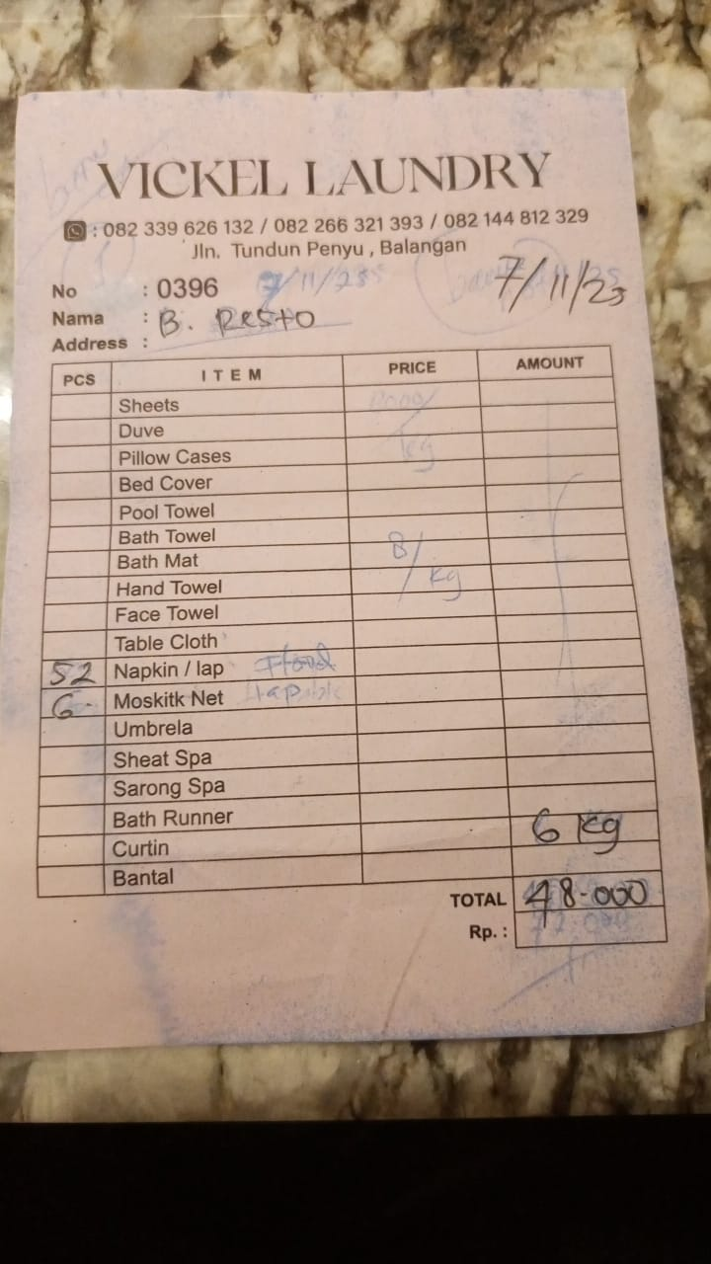 | IDR 48,000
2025-11-08 | 0870 | 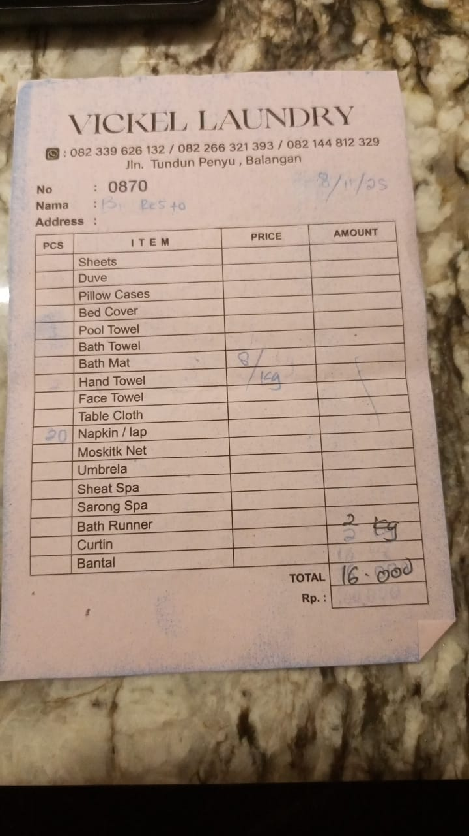 | IDR 16,000
2025-11-10 | 0871 | 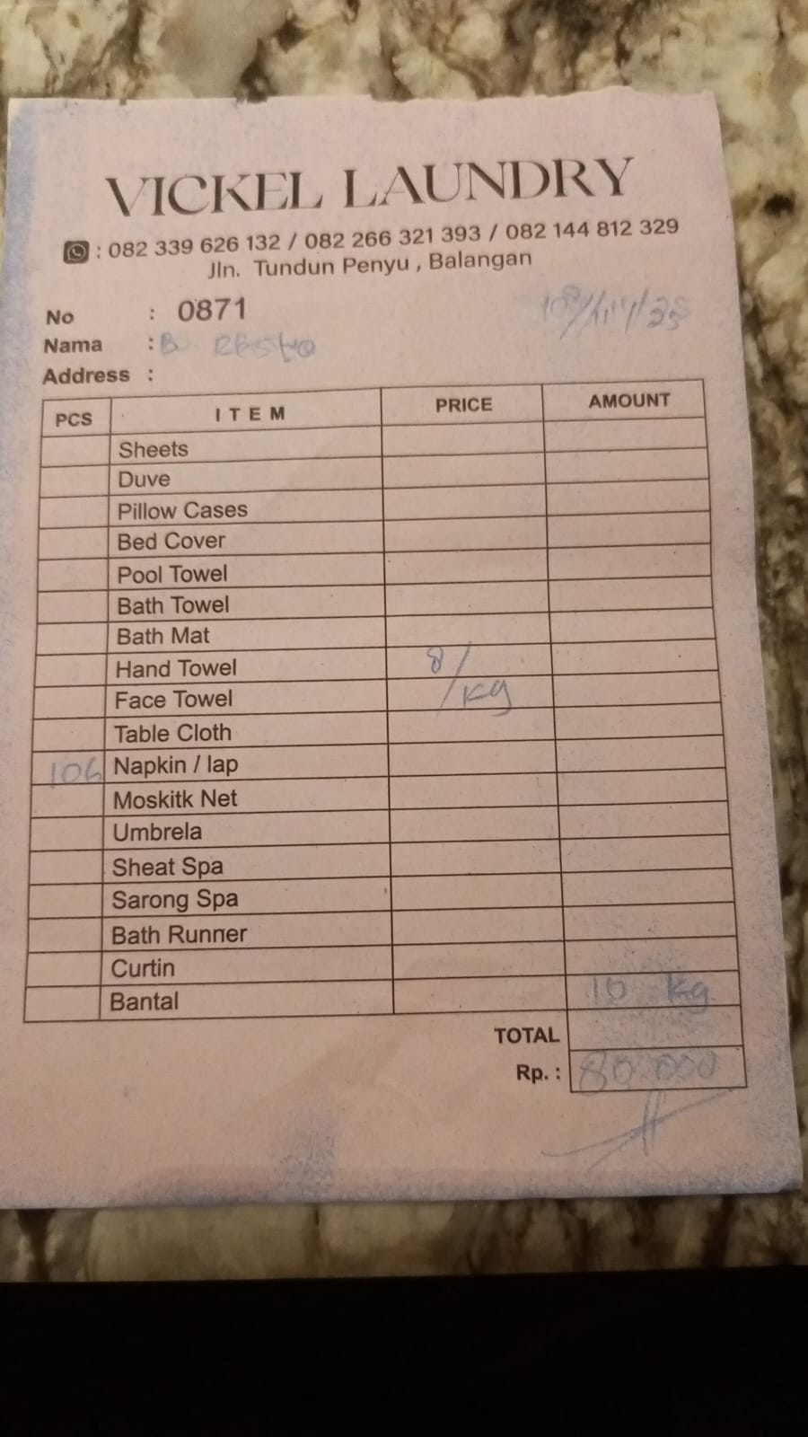 | IDR 80,000
2025-11-11 | 0872 | 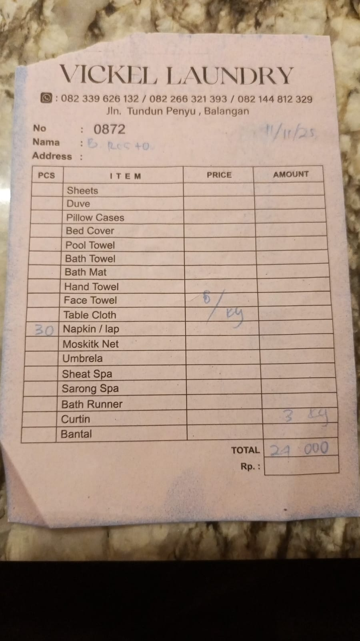 | IDR 24,000
2025-11-12 | 0873 | 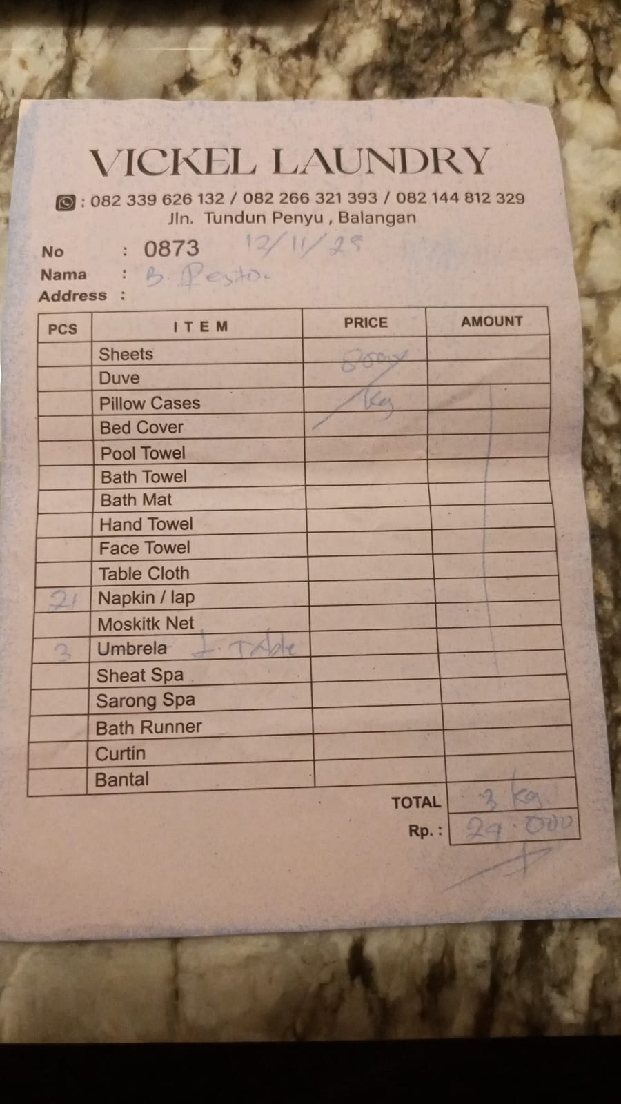 | IDR 24,000
2025-11-15 | 0874 | 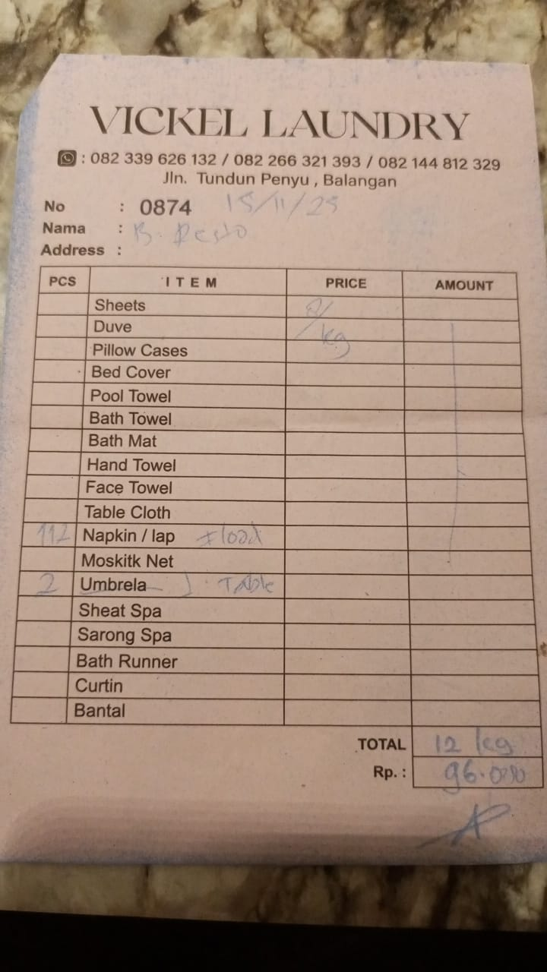 | IDR 96,000
2025-11-16 | 0875 | 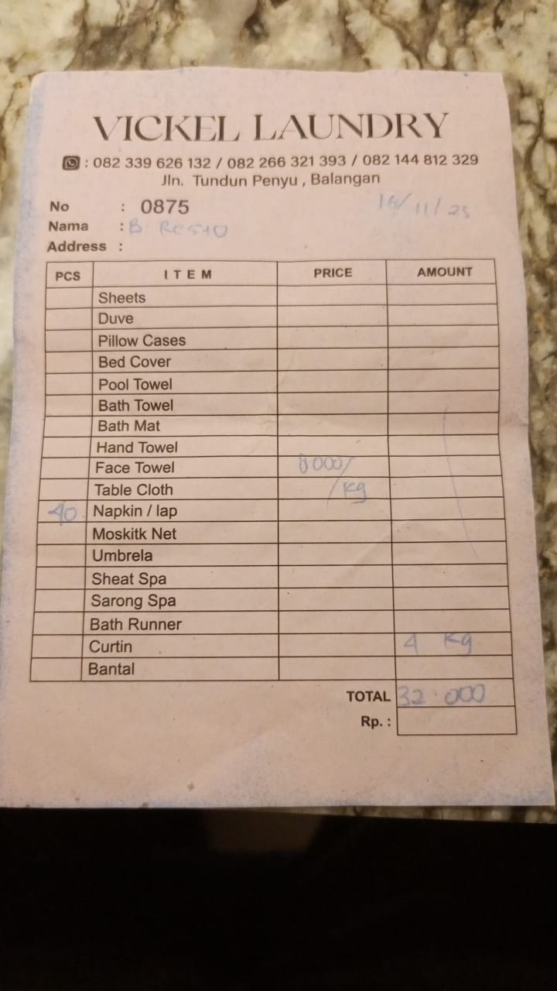 | IDR 32,000
2025-11-19 | 0880 | 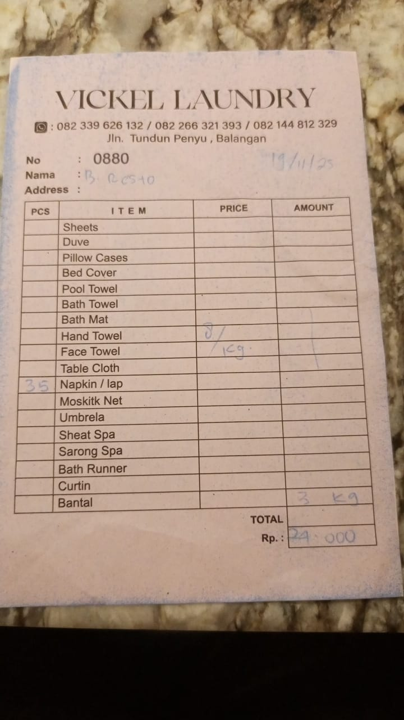 | IDR 24,000
2025-11-21 | 0881 | 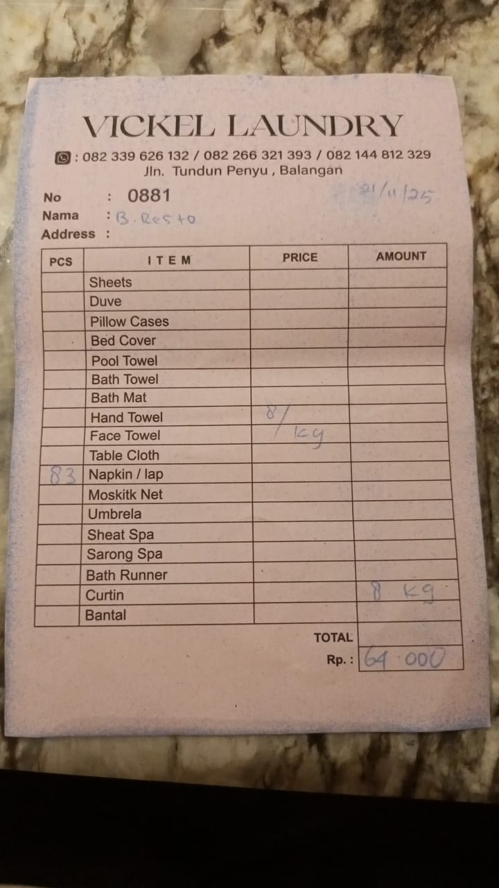 | IDR 64,000
2025-11-22 | 0882 | 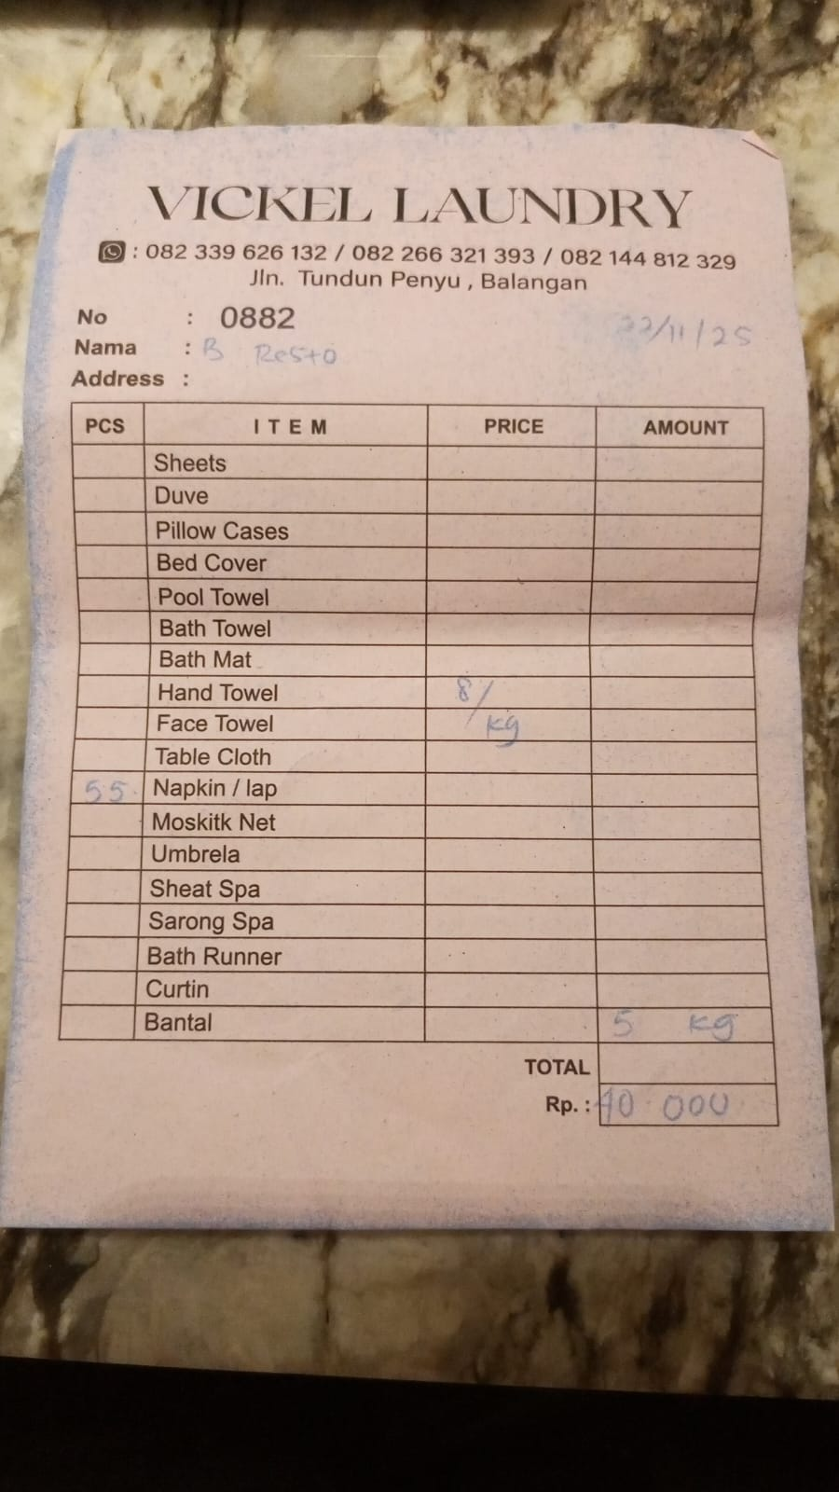 | IDR 40,000
2025-11-23 | 0883 | 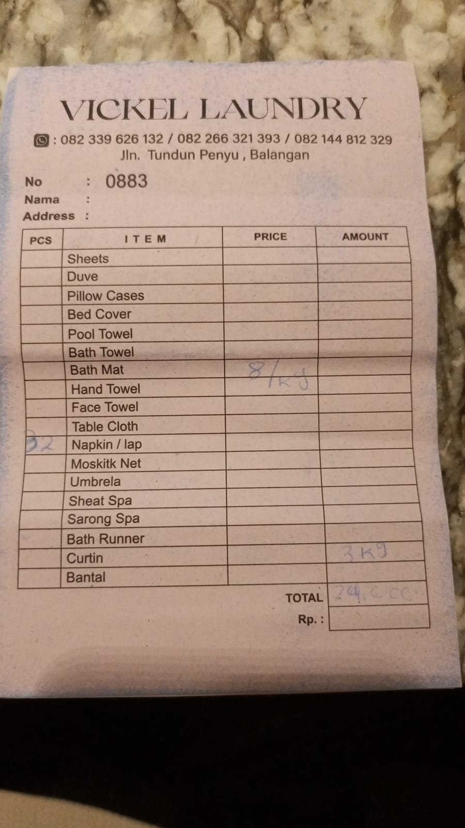 | IDR 24,000
2025-11-24 | 0885 | 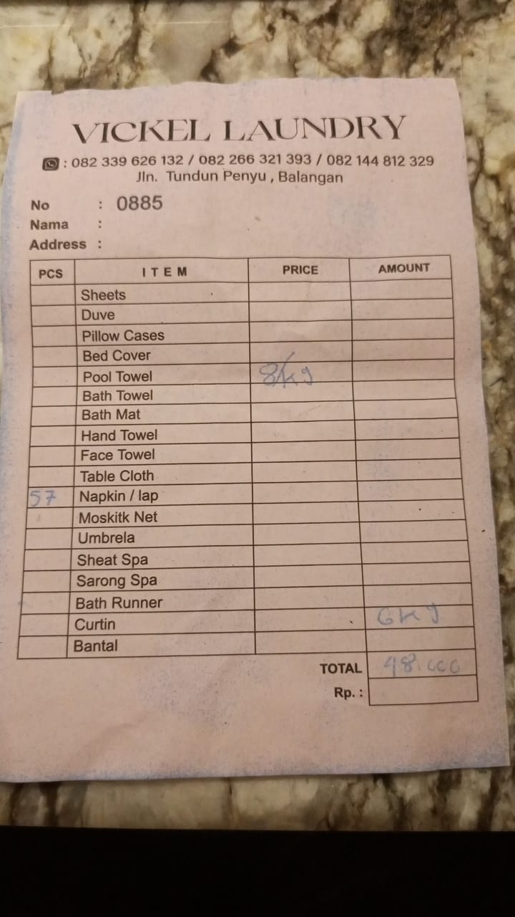 | IDR 48,000
2025-11-25 | 0886 | 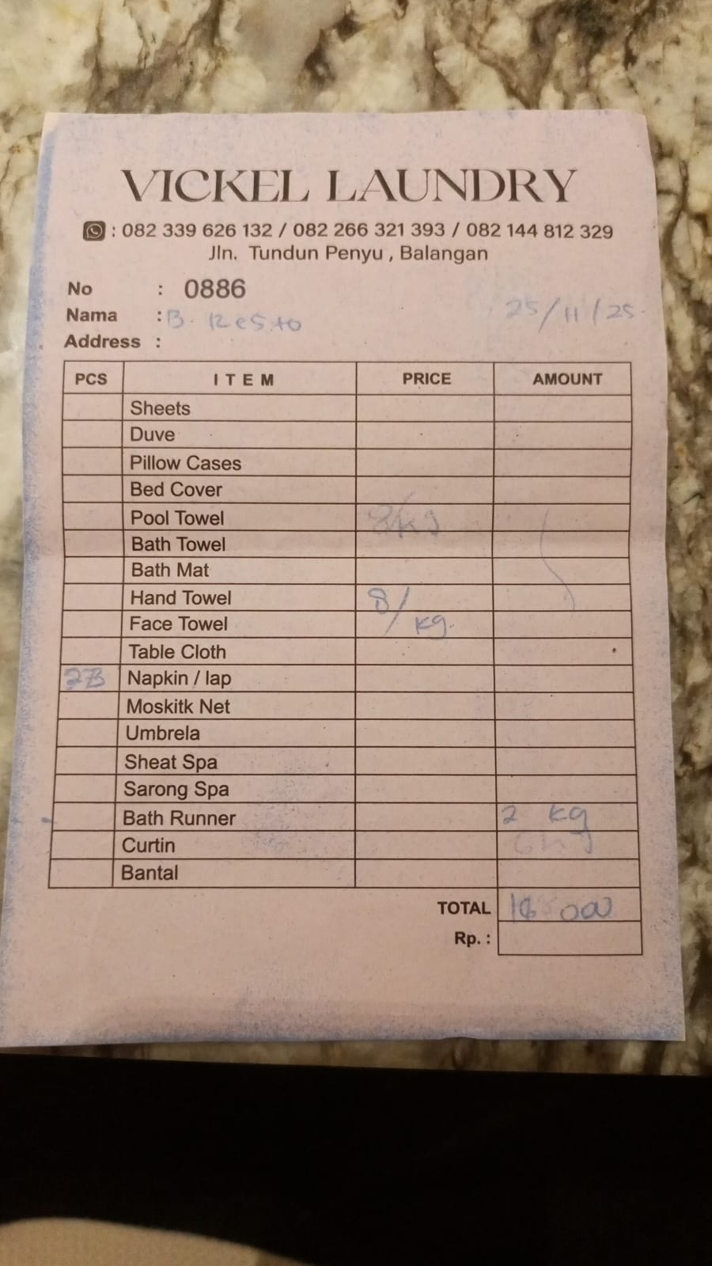 | IDR 16,000
2025-11-28 | 0887 | 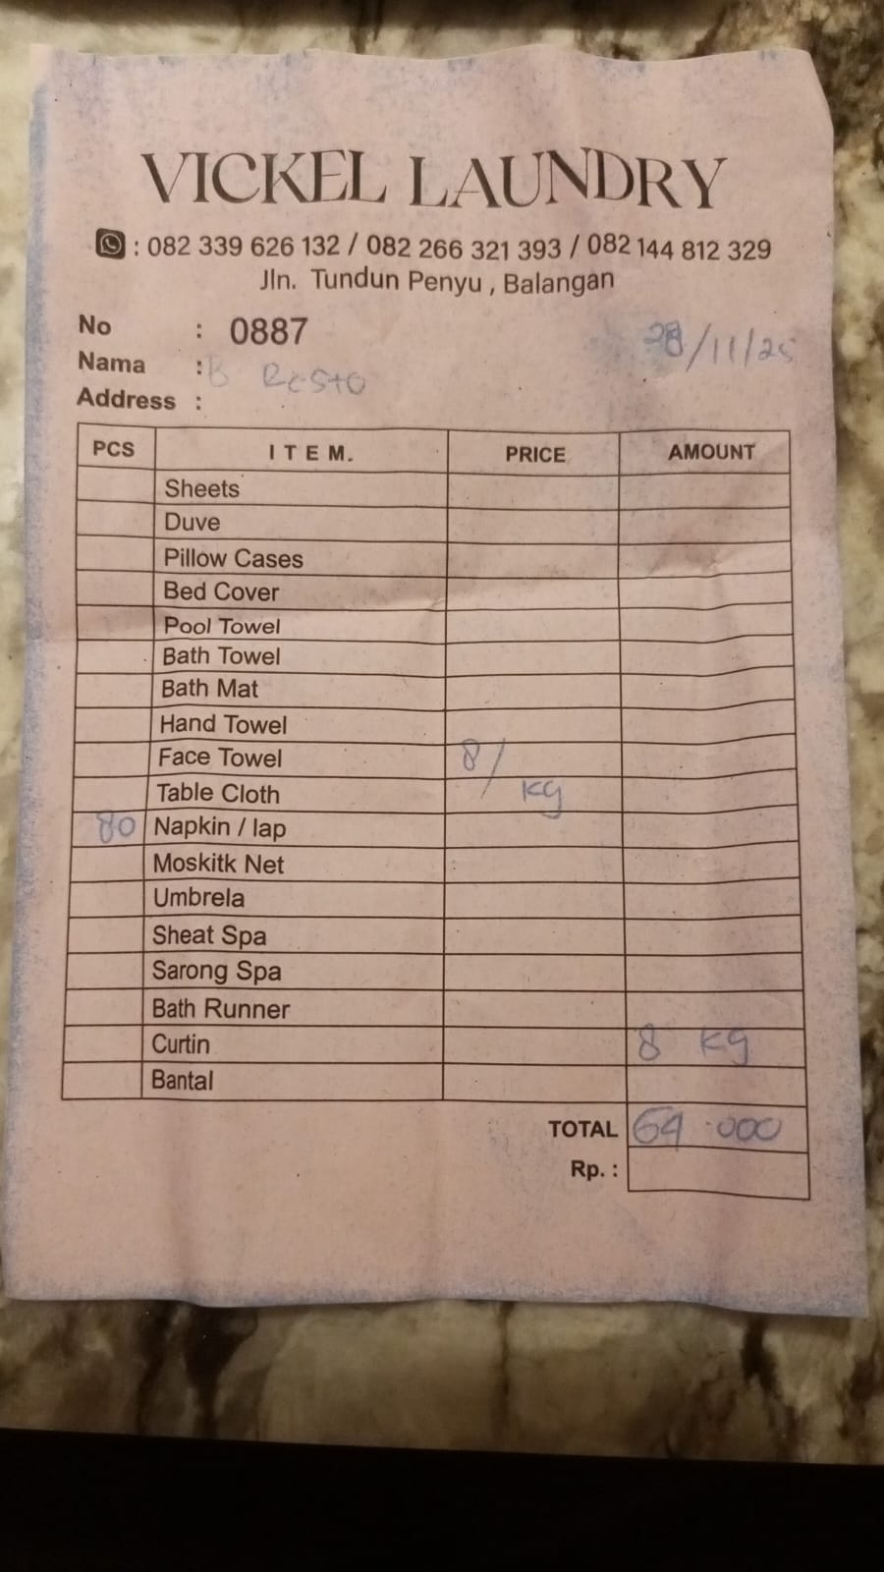 | IDR 64,000

2025-10-30
2025-10-31

 |  | Rp847,000

